Ark1
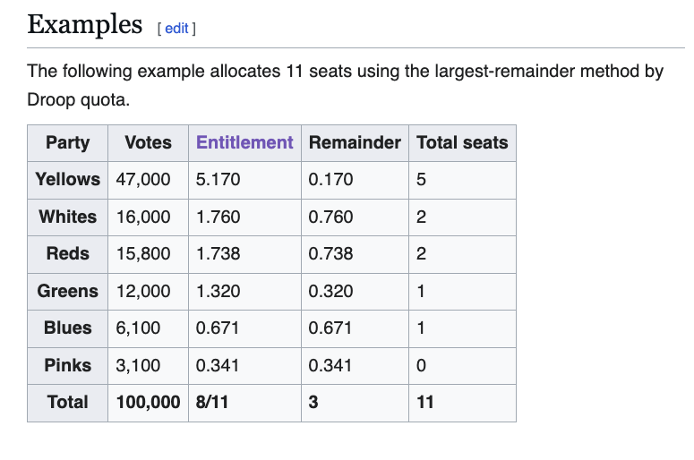
169
 |  |  |  |  |  | 5.17
 | FE | WS | REM |  | RS
40 | 40.0 | 40.0 | 0.000 | 1 | 1 | 41.0
28 | 28.0 | 28.0 | 0.000 |  |  | 28.0
57 | 57.0 | 57.0 | 0.000 | 2 | 1 | 58.0
13 | 13.0 | 13.0 | 0.000 |  |  | 13.0
15 | 15.0 | 15.0 | 0.000 |  |  | 15.0
8 | 8.0 | 8.0 | 0.000 |  |  | 8.0
8 | 8.0 | 8.0 | 0.000 | 3 | 1 | 9.0
169 | 169 | 169 | 0.000 |  |  | 172

